ITP-xxx
 |  |  | Inspection and Test Plan - Control and Supervision of the Works |  |  |  |  |  |  |  | Document # ITP-075
 |  |  |  |  |  |  |  |  |  |  | Revision : 1

Client: |  | DPT |  | Construction Process: |  | Prepared by: |  | Reviewed by : |  |  | Approved by :
Project: |  | Wando Vale Bridge Repair |  | CEMENTITIOUS PATCH REPAIR OF CONCRETE |  | Name: | Jackson Kay | Name: | Jackson Kay |  | Name: | Simon Jawoski
Contract No: |  | DoT |  | Specifications: VicRoads Standard Specification – Section 689
 |  |  |  | Structure / Component: Bridge |  | Signed : |  | Signed : |  |  | Signed :
 |  |  |  | Location: Wando Vale Ponds |  | Date : |  | Date : |  |  | Date :

Lot No: | 1 |  | Lot Details: |  |  |  |  |  | Lot Size/ Quantity:

Item | Task/Activity Description |  | Inspection / Controls and Verification Detail |  |  |  |  | HP/ WP/ AP/ IP/ TP/ SCP | Responsibility | Checked by:
No. |  |  | Frequency | Acceptance Criteria | Reference Documents | Inspection / Test Method | Record of conformity |  | Project Engineer Site Engineer Superintendent Surveyor Foreman | Client | Fulton Hogan | FH's Sub-contractor | Date
1 | Preliminary Works
1.1 | Check for correct documentation |  | Prior to commencing any activity | Ensure that all employees and subcontractors are: - using the correct and complete set of drawings -all drawings are the latest revision | Drawings and drawing registers | Visual inspection | ITP Signed | HP* | Project Engineer/ Site Foreman | N/A |  | N/A
1.2 | Material Properties |  | Prior to commencing any activity | General Materials used for reinstatement of concrete shall be single component polymer modified cementitious non-shrink repair mortars, or be part of a complete polymer modified cementitious repair system. Only whole bags of material shall be used. Test certificates, material data sheets and health and safety data sheets shall be available for all materials. | 689.06 | Test certificates, material data sheets and health and safety data sheets | ITP Signed | HP | Project Engineer/ Site Foreman | N/A
2 | Construction Works
2.1 | Preperation |  | Each Lot | For all types of patch repair all defective and delaminated concrete and existing repair materials shall be broken back to a sound and dense concrete surface. Defective concrete shall be removed using light hand held percussive equipment or high pressure water jetting. Care shall be taken to ensure that any steel reinforcement exposed is not cut or damaged. The method of breaking back or scabbling shall ensure that excess dust does not form a hazard in the surrounding area. All concrete surfaces and mortar substrates shall be sound, clean and free from dust, oils, and grease and surface contaminants. All loose and unsound materials and surface laitance shall be removed. | 689.08 | Verify | ITP Signed | HP | Project Engineer/ | N/A |  | N/A
2.1 | Application |  | Each Lot | The Contractor shall perform concrete repair work in conformity with the manufacturer’s specification. Where the existing concrete cover to steel reinforcement is less than the design requirements, the concrete repair shall be profiled to ensure that the following minimum cover of polymer modified repair material is achieved: (i) Exposure Classification A and B1 20 mm minimum cover (ii) Exposure Classification B2, C1 and C2 50 mm minimum cover For a corrosion deteriorated concrete repair new reinforcing steel shall be incorporated into the structure to compensate for any existing reinforcing steel which is exhibiting loss in excess of 25% of its original cross-sectional area. Steel reinforcement incorporated into the structure shall comply with the requirements of Section 611. | 689.08 | Verify | ITP Signed | HP | Project Engineer/ | N/A |  | N/A
2.2 | Curing and Potection |  | Each Lot | Immediately after placement and for seven days thereafter, the repair material shall be cured and protected from drying out and against the harmful effects of water movement and weather, including rain and rapid temperature changes. Cementitious material shall be cured with the application of two coats of a curing compound in accordance with the material manufacturer's specification. In addition to a curing compound, heavy duty polyethylene sheeting fastened and sealed at the edges shall also be provided for concrete patch repairs greater than 500 mm x 500 mm in size and for all concrete repairs to chloride affected concrete structures or components. Curing compounds shall comply with AS 3799. Curing compounds shall be removed prior to the application of any protective or decorative coatings, unless documented evidence is provided to the satisfaction of the Superintendent that the applied curing compound is compatible with any proposed coatings. | 689.09 | Visual inspection | ITP Signed | HP | Project Engineer/ Site Foreman | N/A |  | N/A
 | Finishing and Surface Condition |  | Each Lot | All surfaces shall match surrounding surface finish by use of steel forms or steel trowel finish. The surface of the concrete repair shall not have cracks of width greater than 0.10 mm measured at the concrete surface nor craze cracking covering a significant area of the repair at the completion of the curing period. Cracks in repair material shall be repaired in accordance with Section 687. There shall be no cracking at the interface of the concrete repair with the existing concrete | 689.10 | Visual inspection | ITP Signed | HP | Project Engineer/ Site Foreman | N/A
3 | Completion and Testing
3.1 | Tolerances |  | Each Lot | The tolerance on edges and surfaces in plan and level shall be  3 mm. Maximum allowance for irregularities when measured with a 2.0 metre straightedge shall be 3 mm. In addition, evenness shall not deviate by more than 1 mm when checked with a 300 mm straightedge. | 689.11 | Visual inspection | ITP Signed | HP | Project Engineer/ Site Foreman | N/A |  | N/A
3.2 | Quality Control Testing |  | Each Lot | (a) Compressive Strength of Cementitious Repair Material (b) Bond Strength (Pull-Off) Testing (c) Testing for Drummy Areas | 689.12 | Test Results | ITP Signed | HP | Project Engineer/ Site Foreman | N/A
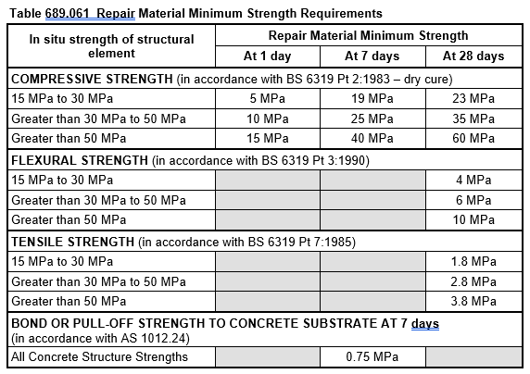
 | Final Inspection
 | The signature below verifies that this ITP has been completed in accordance with the FH’s Quality system Procedures and verifies lot compliance with specifications.
 | Print Name: |  | Position: |  | Signature: |  |  |  |  | Date: / /

Legend
HP | Hold Point | Work shall not proceed past the HP until released by the Superintendent |  |  | IP | Inspection point |  | Formal Inspection to be done and recorded
HP* | FH Hold Point | Work shall not proceed past the HP* until released by FH |  |  | TP | Test Point |  | Product compliance test to be undertaken and recorded/reported
WP | Witness Point | An inspection which must be witnessed by the Superintendent |  |  | SCP | Survey conformance point |  | A qualified surveyor to check product/section/structure and report
AP | Approval Point | Written or verbal approval given by the Superintendent

